Top-Level
 | 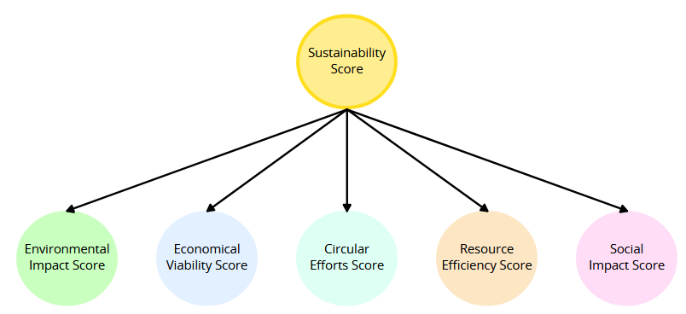
KPI | Description | Purpose
Sustainability | A composite measure that evaluates the sustainability performance of an individual product line by integrating results from the five top-level KPIs (Resource Efficiency, Circular Efforts, Environmental Impact, Economic Viability, and Social Impact). This KPI reflects the product's ability to meet sustainability criteria throughout its lifecycle. | To provide a unified view of the sustainability performance of a product, allowing stakeholders to understand its overall impact. To guide product design and development decisions by highlighting strengths and weaknesses in sustainability. To communicate the sustainability credentials of the product to consumers, enhancing trust and brand loyalty. To identify areas for improvement throughout the product lifecycle, from sourcing to end-of-life management.
Environmental Impact | The Environmental Impact measures the overall ecological footprint of a product throughout its lifecycle, integrating SubKPIs that quantify specific aspects that directly affect the environment. | To assess and improve the ecological sustainability of the product. To identify specific areas for improvement and implement strategies to reduce their overall environmental footprint. To prepare for the EU's environmental footprint requirements.
Economic Viability | The Economic Viability measures the financial viability and economic benefits of a product throughout its lifecycle. It integrates SubKPIs that quantify specific aspects of economic performance, helping organizations assess current viability of the product and improve the profitability and cost-effectiveness of their products. | To evaluate the economic health of a product and identify areas for cost reduction or revenue improvement. To provide insights for pricing, product development, and marketing strategies to maximize profitability. To effectively convey economic performance metrics to stakeholders, highlighting the financial benefits of the product.
Circular Efforts | The Circular Efforts measures the extent to which a product contributes to a circular economy through its existing processes, integrating SubKPIs that quantify specific aspects of R-principles throughout the product's lifecycle. This KPI helps organizations assess and improve their current processes in the context of circularity. | To evaluate how well a product aligns with circular economy principles, emphasizing reuse, repair, recycling and waste reduction. To pinpoint specific areas for enhancement in product design, materials sourcing, and end-of-life management. To convey circularity initiatives to stakeholders through the product's design and business model.
Resource Efficiency | The Resource Efficiency measures the effectiveness with which a product utilizes materials, energy, and other resources throughout its lifecycle (from design to disposal). It integrates various SubKPIs that quantify specific aspects of resource utilization, helping organizations assess and improve the sustainability and efficiency of their products. | To assess how effectively resources are being used and identify opportunities for improvement. To guide product design and operational practices towards more sustainable resource management. To convey resource efficiency initiatives to stakeholders, reinforcing the organization’s commitment to sustainability.
Social Impact | The Social Impact measures the social value created by the product’s sustainability and circularity initiatives. It helps evaluate how these efforts contribute to societal well-being and how viable the product is from a social aspect. | To quantify the positive effects of sustainability initiatives on society. To ensure that organizations are accountable for their social contributions. To communicate the product's impact effectively to stakeholders, so the product is seen positively by its customers. To show that the product is made from sustainable suppliers.

